DP
D:\Document\DP, LCB\C5277\DP\DP Marked Images\
■ Fail Rate |  |  |  |  |  |  |  |  |  |  |  | Secret Level 2
Total
DP
Fail Rate

■ SEM/EDX Analysis Result
Type | Qty | Rate

Total

■ Analysis Details
No. | Model | Lot ID | Barcode | DP type | Stretch Image | Test Image | Heatmap | Microscope | SEM | Ingredient | EDX Graph | FA Result | Root Cause
1 |  |  | GCFGLY000070000041 | FEATURE | 
2 |  |  | GCFGLY0003Q0000041 | NDP | 
3 |  |  | GCFGLY0003R0000041 | C | 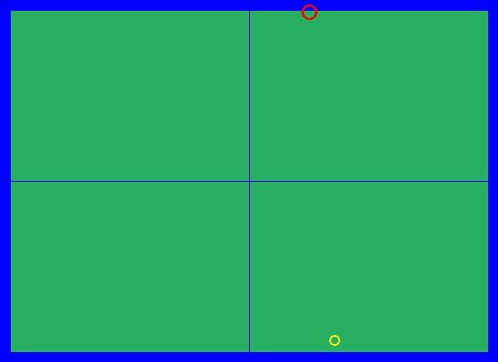
4 |  |  | GCFGLY000440000041 | NDP | 
5 |  |  | GCFGLY000470000041 | BORDER | 
6 |  |  | GCFGLY000500000041 | NDP
7 |  |  | GCFGLY0005D0000041 | ARPD | 
8 |  |  | GCFGLY0005W0000041 | ARPD | 
9 |  |  | GCFGLY000AR0000041 | ARPD | 
10 |  |  | GCFGLY000AS0000041 | C | 
11 |  |  | GCFGLY000AV0000041 | ARPD | 
12 |  |  | GCFGLY000B70000041 | C | 
13 |  |  | GCFGLY000BG0000041 | ARPD | 
14 |  |  | GCFGLY000ED0000041 | NDP | 
15 |  |  | GCFGLY000FW0000041 | ARPD
16 |  |  | GCFGLY000FX0000041 | FEATURE | 
17 |  |  | GCFGLY000G30000041 | FEATURE | 
18 |  |  | GCFGLY000GN0000041 | DLP | 
19 |  |  | GCFGLY001JB0000041 | FEATURE | 
20 |  |  | GCFGLY001M60000041 | NDP | 
21 |  |  | GCFGLY001MK0000041 | DLP | 
22 |  |  | GCFGLY001PU0000041 | ARPD | 
23 |  |  | GCFGLY001QZ0000041 | DLP | 
24 |  |  | GCFGLY001R00000041 | NDP | 
25 |  |  | GCFGLY001R30000041 | C | 
26 |  |  | GCFGLY001R40000041 | NDP
27 |  |  | GCFGLY001RZ0000041 | ARPD | 
28 |  |  | GCFGLY001SW0000041 | FEATURE | 
29 |  |  | GCFGLY001TY0000041 | NDP
30 |  |  | GCFGLY001VN0000041 | ARPD | 
31 |  |  | GCFGLY001ZN0000041 | NDP
32 |  |  | GCFGLY0021W0000041 | NDP
33 |  |  | GCFGLY0021Y0000041 | FEATURE | 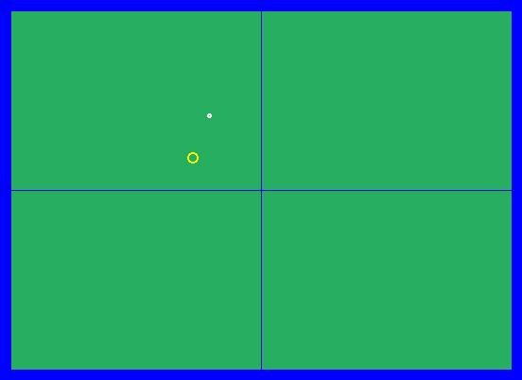
34 |  |  | GCFGLY0021Z0000041 | ARPD | 
35 |  |  | GCFGLY002280000041 | NDP
36 |  |  | GCFGLY0022L0000041 | DLP | 
37 |  |  | GCFGLY0022Q0000041 | NDP
38 |  |  | GCFGLY0022R0000041 | C | 
39 |  |  | GCFGLY0022W0000041 | ARPD
40 |  |  | GCFGLY002380000041 | C | 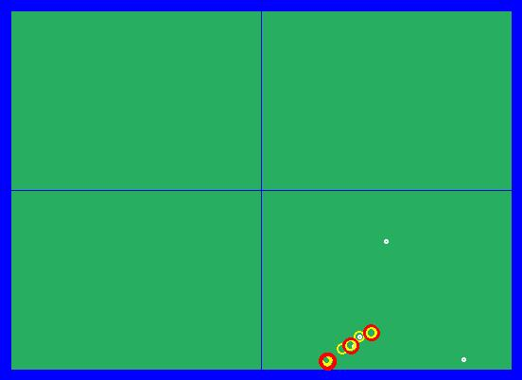
41 |  |  | GCFGLY0023F0000041 | ARPD | 
42 |  |  | GCFGLY0023N0000041 | DLP | 
43 |  |  | GCFGLY0023P0000041 | DLP | 
44 |  |  | GCFGLY0023R0000041 | ARPD | 
45 |  |  | GCFGLY0023T0000041 | NDP
46 |  |  | GCFGLY0023X0000041 | NDP
47 |  |  | GCFGLY0023Y0000041 | NDP
48 |  |  | GCFGLY0024E0000041 | C | 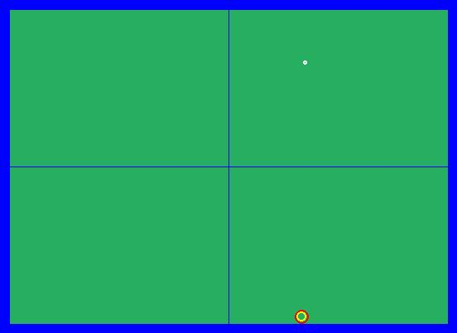
49 |  |  | GCFGLY0024X0000041 | ARPD | 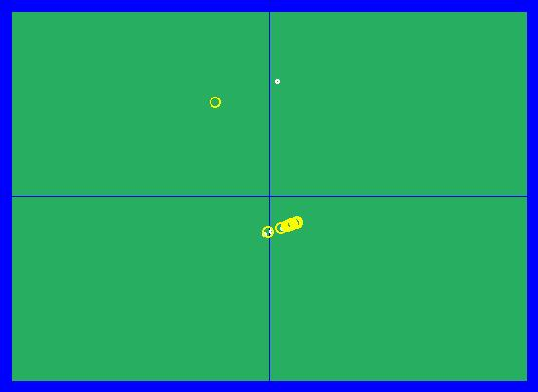
50 |  |  | GCFGLY0024Z0000041 | DLP | 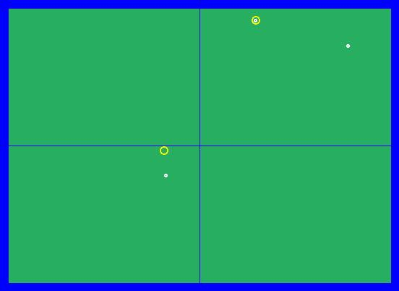
51 |  |  | GCFGLY0025D0000041 | ARPD
52 |  |  | GCFGLY0025P0000041 | NDP | 
53 |  |  | GCFGLY0025Y0000041 | NDP
54 |  |  | GCFGLY0025Z0000041 | ARPD | 
55 |  |  | GCFGLY0027G0000041 | NDP
56 |  |  | GCFGLY0027N0000041 | C | 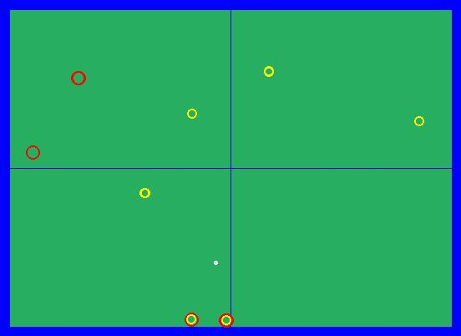
57 |  |  | GCFGLY0027R0000041 | ARPD
58 |  |  | GCFGLY0027U0000041 | NDP
59 |  |  | GCFGLY0027V0000041 | ARPD
60 |  |  | GCFGLY0027W0000041 | C | 
61 |  |  | GCFGLY0027Y0000041 | C | 
62 |  |  | GCFGLY002830000041 | NDP
63 |  |  | GCFGLY002870000041 | ARPD
64 |  |  | GCFGLY002880000041 | C | 
65 |  |  | GCFGLY0028A0000041 | C | 
66 |  |  | GCFGLY0028F0000041 | C | 
67 |  |  | GCFGLY002A10000041 | C | 
68 |  |  | GCFGLY002BD0000041 | ARPD | 
69 |  |  | GCFGLY002BT0000041 | ARPD | 
70 |  |  | GCFGLY002CF0000041 | C | 
71 |  |  | GCFGLY002CH0000041 | C | 
72 |  |  | GCFGLY002CY0000041 | C
73 |  |  | GCFGLY002D50000041 | DLP | 
74 |  |  | GCFGLY002DC0000041 | C | 
75 |  |  | GCFGLY002DU0000041 | ARPD | 
76 |  |  | GCFGLY002E80000041 | ARPD | 
77 |  |  | GCFGLY002EQ0000041 | ARPD | 
78 |  |  | GCFGLY002EU0000041 | C | 
79 |  |  | GCFGLY002F60000041 | ARPD | 
80 |  |  | GCFGLY002F70000041 | FEATURE | 
81 |  |  | GCFGLY002FR0000041 | DLP | 
82 |  |  | GCFGLY002FT0000041 | NDP
83 |  |  | GCFGLY002FX0000041 | DLP | 
84 |  |  | GCFGLY002GZ0000041 | ARPD
85 |  |  | GCFGLY002HS0000041 | ARPD
86 |  |  | GCFGLY002HX0000041 | NDP
87 |  |  | GCFGLY002KV0000041 | C | 
88 |  |  | GCFGLY002LB0000041 | C | 
89 |  |  | GCFGLY002LD0000041 | DLP | 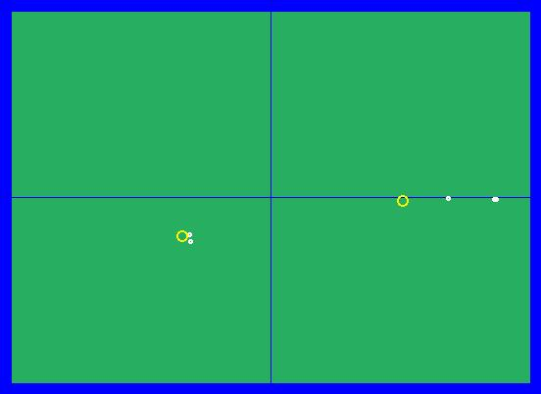
90 |  |  | GCFGLY002MY0000041 | NDP
91 |  |  | GCFGLY002N40000041 | FEATURE | 
92 |  |  | GCFGLY002NP0000041 | C | 
93 |  |  | GCFGLY002PB0000041 | ARPD | 
94 |  |  | GCFGLY002PP0000041 | ARPD | 
95 |  |  | GCFGLY002QZ0000041 | C | 
96 |  |  | GCFGLY002R40000041 | C | 
97 |  |  | GCFGLY002RA0000041 | NDP
98 |  |  | GCFGLY002RU0000041 | ARPD | 
99 |  |  | GCFGLY002S60000041 | C | 
100 |  |  | GCFGLY002T40000041 | FEATURE | 
101 |  |  | GCFGLY002UG0000041 | NDP
102 |  |  | GCFGLY002UN0000041 | NDP
103 |  |  | GCFGLY002US0000041 | C | 
104 |  |  | GCFGLY002W30000041 | ARPD
105 |  |  | GCFGLY002WC0000041 | NDP

